Statistics & Graph
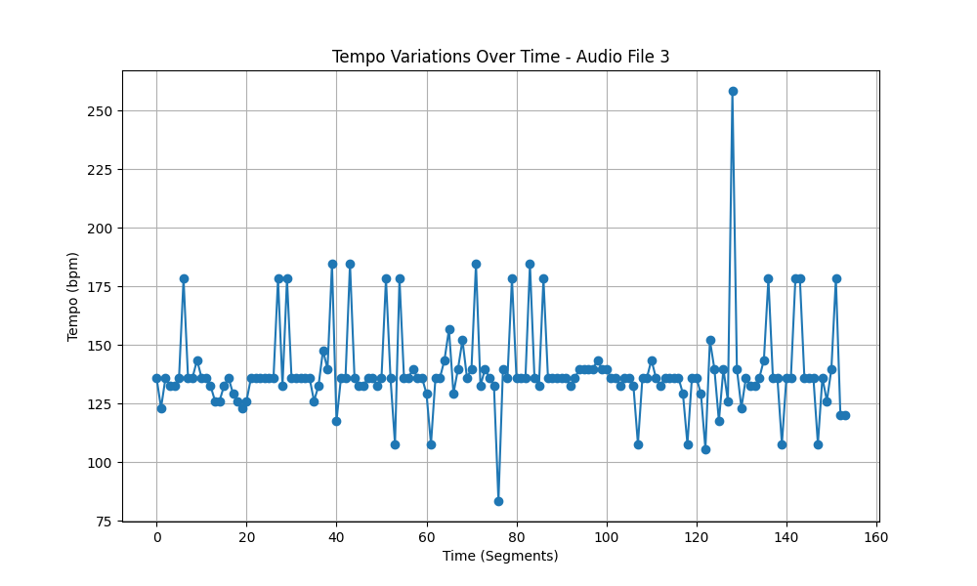
Metric | Value
Mean | 138.69158907
Standard Deviation | 19.039618101
Coefficient of Variation (CV) | 13.7280265

